Sheet1
1. The system displays a credit warning indicator when a customer's outstanding balance reaches a defined threshold near their credit limit.
2. The warning appears directly on the Customer record page within the Customer Information section.
3. The warning is visually highlighted (e.g., colored label or badge) so it is easily noticeable by the CSS user.
4. The warning text clearly indicates that the customer is approaching their credit limit.
5. The indicator is automatically removed if the customer's outstanding balance drops below the threshold.
1. The customer page displays a chart showing the number of new sites created per month for the selected customer.
2. The chart visualization is clear and easy to interpret for CSS users.
3. The chart allows users to quickly identify customer site growth trends over time.
4. The visualization supports comparison across multiple years when data is available.
5. The chart is displayed within the Sites Report section of the customer page.
6. The chart shall have more numbers rather than just lines (more telling for decisions).
ID | Group | Category | Epic | Parent Task | Task Name | User Story | Description | Acceptance Criteria | Timestamp | Mockups | Notes | Responsible
CUBE-D5-001 | Core Platform | UI/UX | Customer Management | Customer Account Monitoring | Credit Limit Warning Indicator | As a Customer Success Specialist (CSS), I want to see a clearly highlighted warning message when a customer is approaching their credit limit so that I can quickly identify accounts that may require payment or billing review before continuing service operations. | When viewing a Customer record, the system should display a visible warning indicator if the customer's outstanding balance is approaching their configured credit limit. The warning should appear prominently in the Customer Information section, near the Credit Status field, using a visually distinct style (e.g., highlighted text, badge, or colored label). |  | Day 5, Part 1 [0:08:00 – 0:10:00] |  | Requested during the workshop to provide a clear visual alert for CSS users when a customer is nearing their credit limit, improving visibility and preventing service or billing issues. | TBD
CUBE-D5-002 | Core Platform | UI/UX | Customer Analytics & Reporting | Customer Dashboard Improvements | Improve “New Sites by Month – YOY” Chart Visibility and Usability | As a Customer Success Specialist (CSS), I want the “New Sites by Month – YOY” chart on the customer page (Customer Snapshot tab) to provide clearer and more useful information so that I can quickly understand customer growth trends without needing to interpret a complex chart. | The current “New Sites by Month – YOY” chart displayed on the customer record page provides a year-over-year visualization of newly created sites, but workshop participants indicated that the chart is difficult to interpret and does not provide immediate operational value. The system should improve the chart’s usability by presenting the information in a clearer and more meaningful way, allowing CSS users to quickly understand how a customer’s number of sites is growing over time. |  | Day 5, Part 1 [0:10:30 – 0:12:00] | 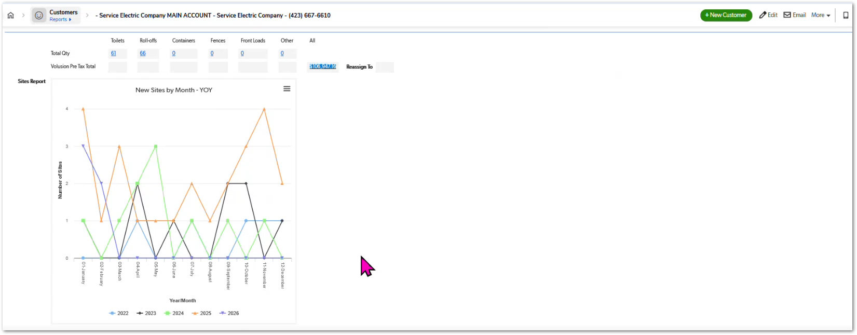 | During the workshop, participants indicated that the current YOY new sites chart is not very useful in its current form and suggested improving the visualization to make it more meaningful for operational users. | TBD
1. The Sites/Leads table within the Customer module includes a new column displaying total spending per site & Margins.
2. The spending value represents the aggregated revenue generated by the site based on associated services and billing records.
3. The column is visible within the Sites view table alongside existing site information (e.g., site status, location, contact information).
4. CSS users can easily compare spending values across sites within the same customer record.
5. The spending data updates automatically when billing or service charges associated with the site change.
CUBE-D5-003 | Core Platform | UI/UX | Customer Site Management | Site View Improvements | Display Site Spending Column in Customer Sites View | As a Customer Success Specialist (CSS), I want to see the total spending per site directly in the Sites view under a customer record so that I can quickly identify which sites generate the most revenue. | Within the Customers module, the Sites/Leads tab displays a table listing all sites associated with a customer. During the workshop, CSS users indicated that it would be helpful to see the total spending per site directly within this table. Adding a spending column would allow CSS users to quickly evaluate the revenue contribution of each site without needing to navigate to multiple pages or run additional reports. |  | Day 5, Part 1 [0:13:00 – 0:14:30] | 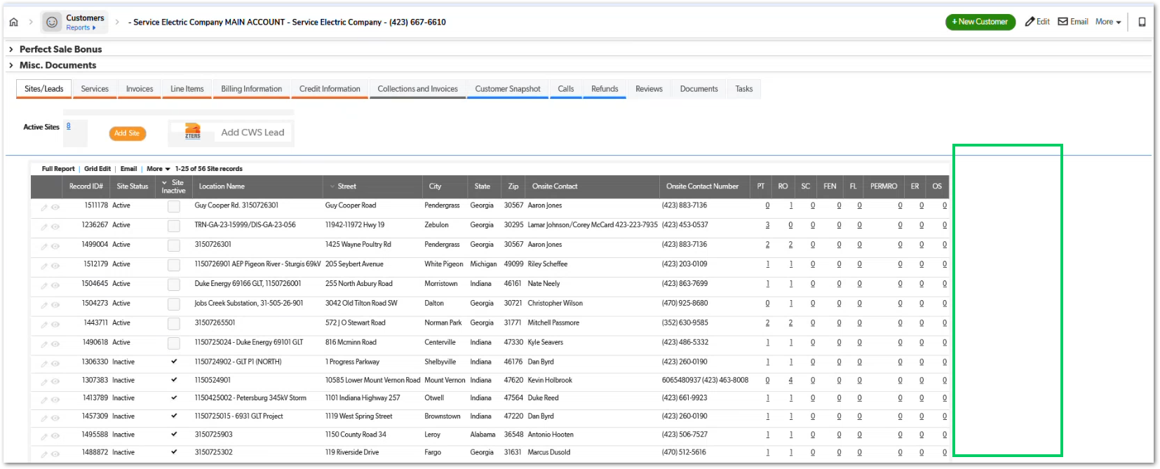 | Requested improvement to help CSS users quickly identify high-value sites within a customer account without needing to run separate reports. | TBD
1. The system monitors declined credit card transactions associated with a customer account.
2. When the number of declined credit card transactions exceeds a defined threshold within a 7-day period, a fraud warning is triggered.
3. The warning is displayed on the Site page within the Customer Information section.
4. The warning is visually highlighted (e.g., colored banner or label) to ensure it is noticeable to CSS and sales users.
5. The warning clearly indicates that there is a possible fraud or payment risk associated with the customer account.
CUBE-D5-004 | Core Platform | Functional Logic | Customer Risk Monitoring | Fraud Detection Alerts | Display Fraud Warning Based on Declined Credit Card Transactions | As a Customer Success Specialist (CSS), I want the system to display a fraud warning on the Site page when a customer has multiple declined credit card transactions within a short period so that sales and operations teams are aware of potential payment risk. | Within the Sites module, the system should display a fraud warning indicator when a customer account has a high number of declined credit card transactions within a defined time window. This warning helps operational teams recognize potential fraud or payment risk associated with the customer. The warning should appear prominently within the Customer Information section of the Site page and be triggered when the number of declined credit card transactions reaches a configured threshold within a one-week period. |  | Day 5, Part 1 [0:17:50 – 0:21:00] | 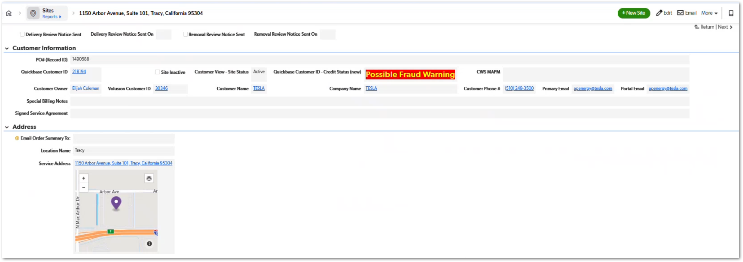 | The fraud warning is triggered based on the number of declined credit card transactions within a one-week period, allowing sales and support teams to be aware of potential fraudulent or high-risk payment activity. | TBD
1. The system identifies when a customer account has past due payments.
2. When a past-due customer attempts to proceed with service or an order, an approval request is automatically generated.
3. The Customer Success Specialist (CSS) assigned to the account receives a notification requesting approval.
4. The CSS can approve or reject the request within the system interface.
5. The approval status is recorded and visible to relevant users (e.g., AM and CSS).
6. If the request is approved, the service or order can proceed normally.
7. If the request is rejected, the system prevents the transaction from continuing.
CUBE-D5-005 | Core Platform | Workflow Automation | Credit and Payment Controls | Past Due Approval Workflow | Automatic Notification to CSS for Past Due Approval Requests | As a Customer Success Specialist (CSS), I want to automatically receive a notification when a customer with past due payments requests service so that I can review and approve or reject the request without relying on manual communication from the Account Manager. | Currently, when a customer account has past due payments, the Account Manager (AM) must manually notify the Customer Success Specialist (CSS) to request approval before proceeding with services or orders. This manual process introduces delays and risks of missed approvals. The system should automatically detect when a past-due customer attempts to proceed with service and generate an approval request notification to the CSS. The CSS should be able to review the request and approve or reject it directly within the system. |  | Day 5, Part 1 [0:22:00 – 0:25:00] |  | Current process relies on manual communication from AM to CSS. The goal is to automate the approval workflow for past-due customers requesting services. | TBD
1. When a customer account has a past due balance restriction, the restriction is visible on relevant product or service pages.
2. CSS users can apply a Past Due Override directly from the product or service page.
3. The override allows the CSS to set the “Override Past Due Balance Until” date without navigating to the Customer page.
4. Once the override is applied, the system immediately allows the CSS to proceed with the product or service workflow.
5. The override is recorded at the customer account level, ensuring consistency across all modules.
CUBE-D5-006 | Core Platform | Workflow Improvement | Credit and Payment Controls | Past Due Override Management | Allow Past Due Override from Product Pages | As a Customer Success Specialist (CSS), I want to override a customer's past due balance directly from product or service pages so that I do not need to navigate back to the Customer page to apply the override. | Currently, CSS users can override a customer’s past due balance restriction only from the Customer page using the “Override Past Due Balance Until” field. When CSS users are working within product or service pages (e.g., toilets, roll-offs, containers), they cannot apply this override directly. This requires the CSS to leave the current workflow, navigate to the Customer page, apply the override, and then return to the product page. The system should allow the same override functionality to be accessible from product/service pages where the past-due restriction prevents the user from proceeding. |  | Day 5, Part 1 [0:30:30 – 0:33:30] |  | Currently the override functionality exists only on the Customer page. CSS users requested the ability to apply the same override directly within product/service workflows to avoid switching between pages. | TBD
1. CSS users can initiate a Record Owner change directly from the Customer page.
2. The system provides an efficient user search mechanism to locate users by name or email.
3. The user selection interface allows quick identification of available users within the system.
4. Once a new owner is selected, the Customer Record Owner field is updated immediately.
5. The change is saved and visible within the Customer record history.
CUBE-D5-007 | Core Platform | UI/UX | Customer Ownership Management | Customer Record Owner Reassignment | Improve Customer Record Owner Change Process | As a Customer Success Specialist (CSS), I want a simpler way to change the customer record owner so that I can quickly reassign accounts without navigating through a complex user selection process. | Currently, changing the Record Owner of a customer requires opening a Quickbase user selector and manually searching through the list of users or groups. This process is slow and inefficient when CSS users frequently need to reassign accounts. The system should improve the Record Owner Change workflow by making the user selection process faster and easier, allowing CSS users to quickly locate and assign the correct owner when updating customer records. |  | Day 5, Part 1 [0:35:30 – 0:39:00] | 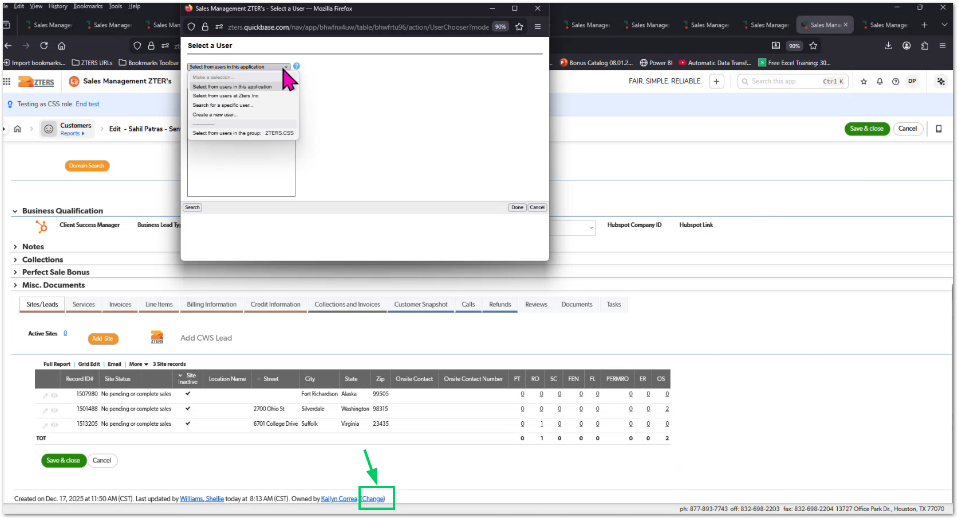 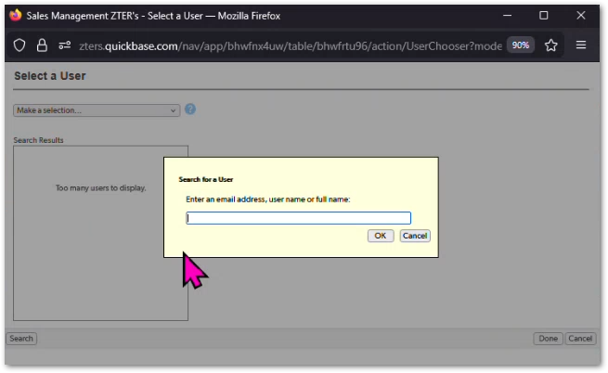 | Discussion highlighted that customer ownership reassignment occurs frequently, so the current Quickbase user selection process should be optimized for faster execution. | TBD
1. The system records all relevant changes made within Customer pages and Product pages.
2. Each audit log entry includes the user who made the change.
3. Each audit log entry includes the timestamp of the modification.
4. The log records the field that was changed and the previous and new values.
5. Audit logs are stored in a centralized audit history accessible to authorized users.
6. Users with appropriate permissions can review historical changes for troubleshooting and accountability.
CUBE-D5-008 | Core Platform | Security & Compliance | System Audit and Traceability | Platform Activity Logging | Implement Robust Audit Log for Customer and Product Changes | As a Customer Success Specialist (CSS), I want the system to maintain a detailed audit log of changes made within Customer and Product pages so that all modifications can be tracked for accountability and troubleshooting. | CSS users are able to make various changes across the Customer module and Product pages within the system. Currently, the visibility into who made changes, when they were made, and what values were modified is limited. CUBE should implement a robust audit logging system that records all relevant modifications across key modules. This log should allow administrators and authorized users to track changes to customer records, product configurations, and other operational data. |  | Day 5, Part 1 [0:42:00 – 0:45:00] | NO MOCKUP AVAILABLE | Workshop discussion emphasized the need for a more robust audit trail within CUBE to track modifications performed by CSS users across customer and product records. | TBD
1. System-generated notification emails display information in a clear and structured format.
2. The email clearly identifies the action performed (e.g., Past Due Approval Update).
3. The email includes key information such as customer name, record ID, and relevant field changes.
4. Field updates are displayed in a readable format showing previous and new values.
5. The email layout is visually organized, avoiding broken formatting or cluttered text.
6. The email includes a direct link to the affected record within CUBE.
CUBE-D5-009 | Core Platform | UI/UX | System Notification | Approval Notification Improvements | Improve Email Notification Formatting for Approval Events | As a Customer Success Specialist (CSS), I want system-generated approval notification emails to be clearly formatted and easy to read so that I can quickly understand the details of the change or approval action. | When a CSS performs actions such as approving a Past Due approval request, the system sends an automatic email notification. Currently, these notifications are poorly formatted, making the content difficult to read and the information hard to interpret. CUBE should improve the structure and formatting of system-generated notification emails so that users can easily identify the key details, including the customer involved, the action performed, and the changes made. |  | Day 5, Part 1 [0:43:30 – 0:46:00] | 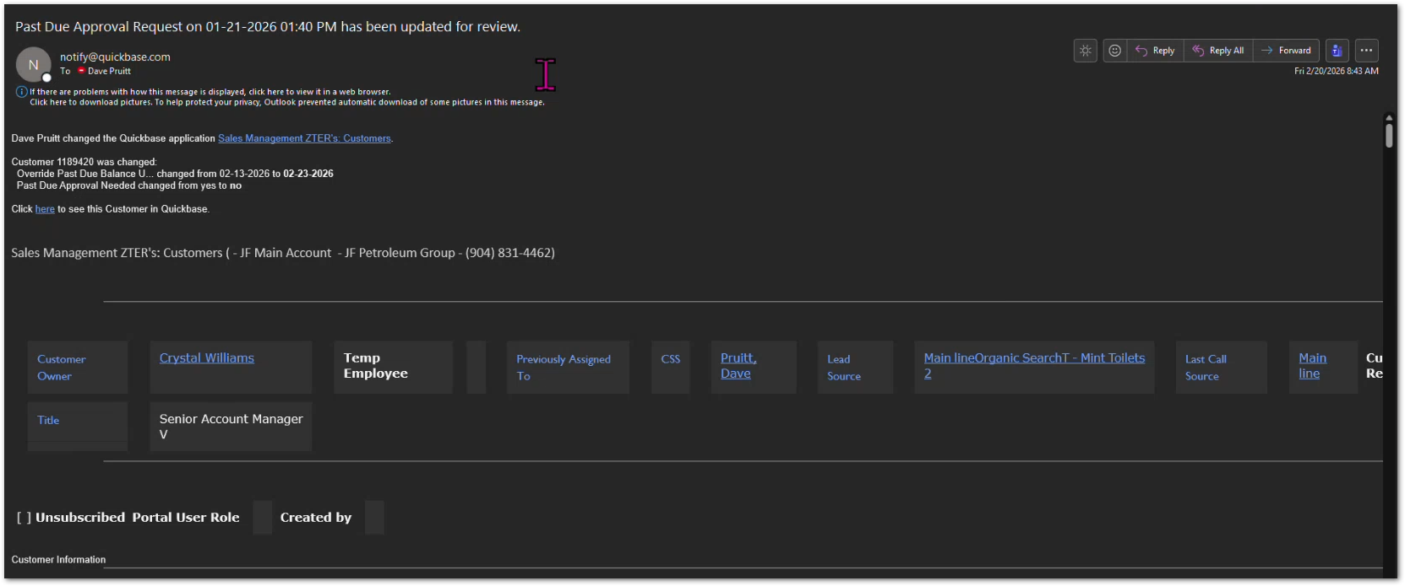 | During the workshop demonstration, the CSS showed a system notification email generated after a Past Due approval, noting that the current formatting is difficult to read and should be improved for usability. | TBD
1. CSS users can access a Customer management view within the Customer module.
2. The view allows filtering customers by Account Manager.
3. The system displays all customers assigned to the selected Account Manager.
4. CSS users can select multiple customer records simultaneously.
5. The system allows CSS users to execute bulk actions, including mass reassignment of customer ownership.
6. Bulk updates apply changes to all selected records in a single action.
7. All bulk actions are recorded in the system audit log.
CUBE-D5-010 | Core Platform | Workflow Automation | Customer Ownership Management | Bulk Customer Operations | Enable Bulk Customer Actions from Customer Module | As a Customer Success Specialist (CSS), I want to filter customers by Account Manager and perform bulk actions so that I can efficiently manage large groups of customer accounts. | CSS users frequently need to perform operational changes affecting multiple customers, such as reassigning accounts when an Account Manager leaves or when customer portfolios are redistributed. Currently, these updates must be performed individually, which is time-consuming and inefficient. The system should provide a Customer management view that allows CSS users to filter customers by Account Manager and perform bulk or mass actions on the resulting records. These actions may include operations such as mass reassignment of customer ownership. |  | Day 5, Part 1 [0:45:30 – 0:49:00] | 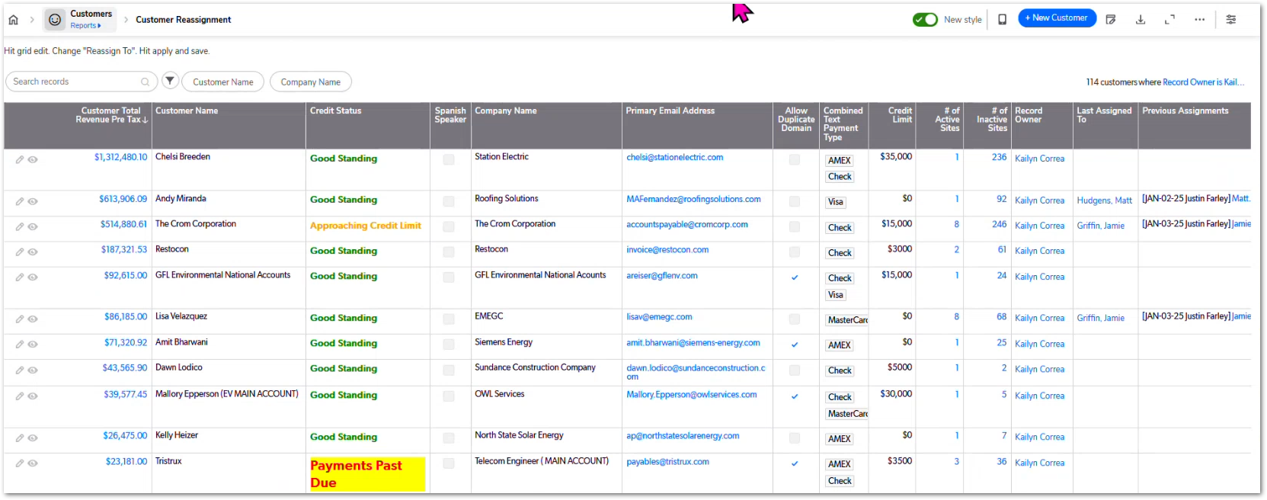 | Workshop discussion highlighted the need for CSS users to efficiently manage large portfolios of customer accounts, particularly during account redistribution or personnel changes. | TBD
1. The Customer module includes a Collections Notes section displaying historical collection notes.
2. The system identifies the most recent collection note entry for each customer.
3. The most recent collection note date is displayed prominently on the customer page.
4. The highlighted date clearly indicates the latest collections activity.
5. Users can still access the full history of collection notes within the section.
6. The collection notes shall have some sorting system to mark the most important notes (Color system), and archive the notes that are not relevant anymore.
CUBE-D5-011 | Core Platform | UI/UX Improvement | Customer Financial Visibility | Collections Information Visibility | Highlight Most Recent Collection Note in Customer View | As a Customer Success Specialist (CSS), I want to easily see the most recent collection note date on the customer page so that I can quickly understand the latest collections activity without reviewing all historical notes. | CSS users frequently consult the Collections Notes section within the Customer module to review customer payment discussions, balances, and follow-up actions. Currently, the notes appear as a list of entries ordered by date, requiring users to manually review the records to identify the most recent update. The system should highlight or prominently display the most recent collection note date in a visible location on the customer page so that CSS users can quickly identify the latest collections interaction. |  | Day 5, Part 1 [0:59:00 – 1:02:00] | 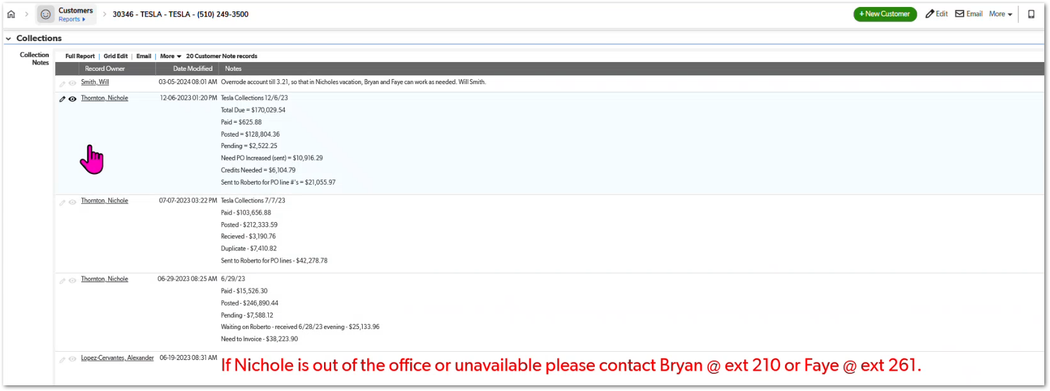 | CSS mentioned that they frequently rely on the collections notes when reviewing customer financial status and want the most recent update to be immediately visible. | TBD
1. The system identifies when a site has active services across all four core product categories (portable toilets, roll-offs/dumpsters, storage containers, and fencing).
2. When the condition is met, the site qualifies as a Perfect Sale.
3. The Customer module includes a Perfect Sale Paid Out checkbox to track bonus payout status.
4. CSS users can mark the Perfect Sale Paid Out checkbox once the bonus has been issued.
5. The system retains a record of the payout status for reporting and tracking purposes.
6. The system should notify the CSS when a site has had a "perfect sale", so they can go check and approve the automatic check of the perfect sale.
CUBE-D5-012 | Sales Operations | Sales Incentives | Perfect Sale Bonus Tracking | Perfect Sale Qualification Logic | Track Perfect Sale Bonus Eligibility and Payout | As a Customer Success Specialist (CSS), I want the system to identify when a site qualifies as a Perfect Sale and track whether the bonus payout has been issued so that sales incentives can be managed accurately. | A Perfect Sale occurs when an Account Manager sells all core service categories to a single site, including portable toilets, roll-offs/dumpsters, storage containers, and fencing. When this condition is met, the Account Manager becomes eligible for a Perfect Sale bonus payout of $100. The system should track whether a site qualifies as a Perfect Sale and allow the payout status to be recorded through a Perfect Sale Paid Out indicator within the Customer module. |  | 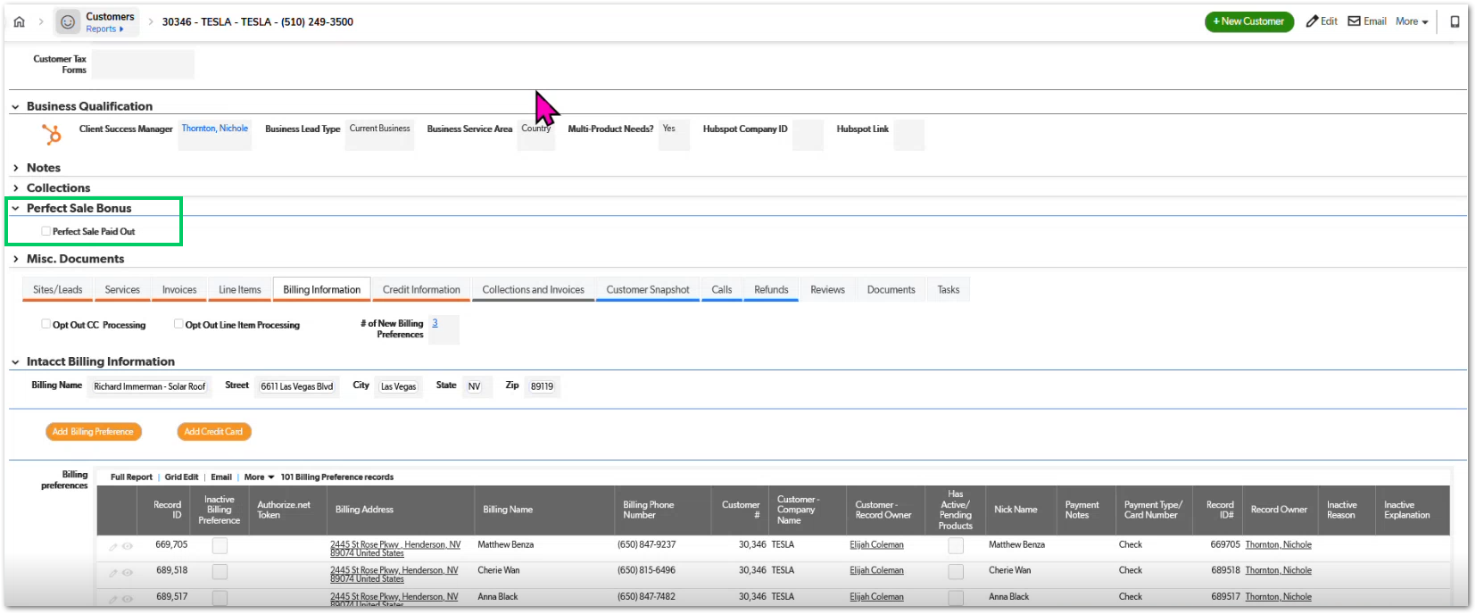 Day 5, Part 1 [1:02:30 – 1:05:00] |  | Perfect Sale bonuses are paid to Account Managers when all core service categories are sold to a single site, providing a $100 incentive for full-service sales. | TBD
1. The system provides a dedicated view for Unprocessed / Approved Credits accessible to CSS users.
2. The view displays all credits that have been approved but not yet processed.
3. The list includes relevant fields such as related employee, invoice record ID, credit type, credit amount, and reason for credit.
4. CSS users can filter and search credits within the view.
5. CSS users can identify which credits still require processing.
6. Once a credit is processed, it is removed from the unprocessed credits view
CUBE-D5-013 | Billing Operations | Workflow Management | Credit Processing Workflow | Credit Approval Monitoring | Provide View for Unprocessed Approved Credits | As a Customer Success Specialist (CSS), I want to view all approved credits that have not yet been processed so that I can ensure they are reviewed and applied in a timely manner. | CSS users need visibility into credits that have already been approved but are still pending processing. Without a dedicated view, it becomes difficult to track which credits require action and ensure they are properly applied to invoices or customer accounts. The system should provide an Unprocessed / Approved Credits view that allows CSS users to easily identify, review, and process credits that are awaiting completion. |  | Day 5, Part 1 [1:22:30 – 1:25:00] |  | During the workshop discussion, CSS users described using this view as an operational queue to track approved credits that still need to be processed. | TBD
1. The system provides a Sales Team Performance Dashboard accessible to CSS users.
2. The dashboard displays performance metrics for all Account Managers under the CSS’s team.
3. The dashboard automatically calculates key metrics including sales totals, expected sales, sales goals, and margins.
4. The dashboard displays operational KPIs such as new customers, new sites, and multi-product sales.
5. Collections-related indicators such as credit customers and payment status metrics are included.
6. The data displayed in the dashboard is automatically updated based on system activity.
7. The dashboard replaces the need for manual spreadsheet tracking.
CUBE-D5-014 | Sales Operations | Reporting & Analytics | Sales Team Performance Dashboard | Automated Team KPI Tracking | Provide Automated Sales Team Performance Dashboard | As a Customer Success Specialist (CSS), I want to view my team’s performance metrics in an automated dashboard so that I can monitor Account Manager performance without relying on manual spreadsheets. | CSS users currently rely on a manually maintained Team Tracking Spreadsheet to monitor the performance of Account Managers within their team. This spreadsheet tracks several operational and sales KPIs such as sales totals, expected sales, margins, new customers, new sites, multi-product sales, and collections metrics. CUBE should provide an automated team performance dashboard that aggregates these metrics directly from system data, eliminating the need for manual spreadsheet tracking and providing real-time visibility into team performance. |  | Day 5, Part 1 [1:26:30 – 1:32:00] | 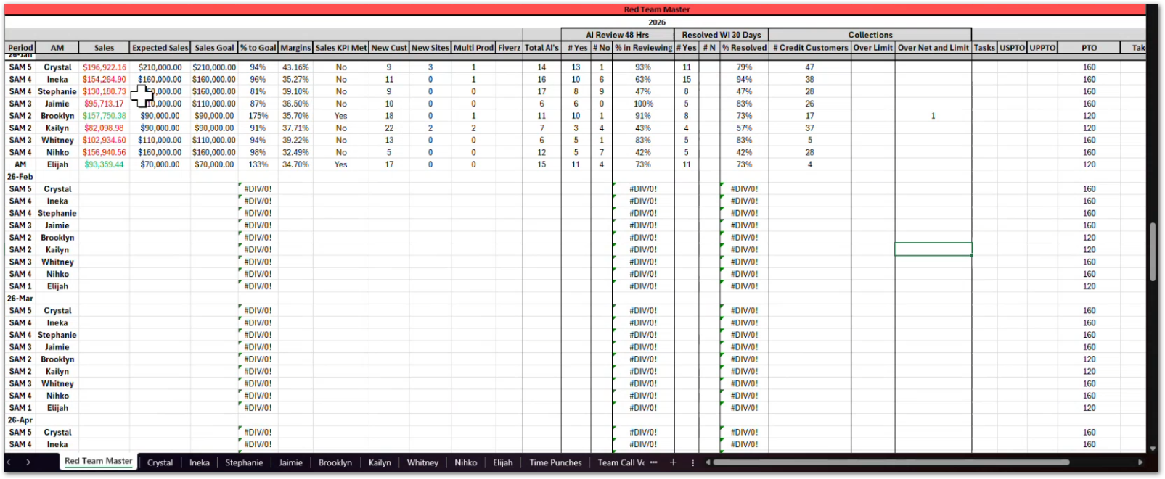 | The CSS demonstrated an internal team tracking spreadsheet used to monitor sales team KPIs and explained that this information should be automatically generated within CUBE. | TBD
1. The system detects when a deal’s margin falls below the defined threshold.
2. When the threshold is breached, the system requires Lead or CSS/CSM approval before the deal can proceed.
3. The approval interface includes Lead Approval and CSM Approval indicators.
4. The approver must select a Low Margin Reason from a predefined list.
5. The selected reason is stored as part of the deal record for auditing purposes.
6. The system records the approver’s identity and approval timestamp.
CUBE-D5-015 | Pricing & Margin Control | Approval Workflow | Low Margin Approval Process | Margin Exception Handling | Require Approval and Reason for Low Margin Deals | As a Customer Success Specialist (CSS), I want to approve low-margin deals and provide a reason for the exception so that pricing decisions are properly reviewed and documented. | Certain deals may fall below the expected profit margin threshold due to operational constraints, customer negotiations, or pricing adjustments. When this occurs, the system should require an approval from the appropriate role (Lead or CSS/CSM) before the deal can proceed. During the approval process, the approver must select a Low Margin Reason explaining why the margin exception is allowed. This ensures transparency and provides a documented justification for low-margin pricing decisions. |  | Day 5, Part 1 [1:38:30 – 1:42:00] |  | The workshop discussion highlighted the need to document margin exceptions and provide visibility into the reasons behind low-margin deals. | TBD
1. The CSS dashboard includes access to the Close Ratio Report.
2. The report displays sales conversion metrics for Account Managers under the CSS team.
3. The report clearly separates results between Personal Queue closures and Business Queue closures.
4. CSS users can quickly access the report without navigating to separate reporting modules.
5. The data displayed in the report is automatically updated based on system sales activity.
CUBE-D5-016 | Sales Operations | Reporting & Analytics | Sales Performance Reporting | Close Ratio Visibility | Display Close Ratio Report on CSS Dashboard | As a Customer Success Specialist (CSS), I want to view the Close Ratio Report directly from my dashboard so that I can quickly evaluate sales performance across personal and business queues. | CSS users currently rely on Close Ratio Reports to evaluate how effectively Account Managers convert opportunities into closed sales. Although the report exists, it is not easily accessible within the system and requires additional navigation to locate. CUBE should provide a dashboard-accessible Close Ratio Report that clearly breaks down performance metrics by personal queues and business queues, allowing CSS users to quickly analyze sales conversion performance. |  | Day 5, Part 1 [1:42:30 – 1:45:30] |  | During the workshop discussion, the CSS explained that the Close Ratio Report already exists but should be more easily accessible and integrated into the dashboard with clearer breakdowns between queue types. | TBD
1. The system provides a Close Ratio Dashboard accessible to Account Managers.
2. The dashboard displays conversion metrics showing opportunities vs converted customers.
3. The dashboard calculates and displays the close ratio percentage.
4. The report separates results between Personal Queue opportunities and Business Queue opportunities.
5. Account Managers can easily review their own performance metrics without navigating to complex reporting modules.
6. The data displayed is automatically updated based on sales activity within the system.
CUBE-D5-017 | Sales Operations | Reporting & Analytics | Close Ratio Performance Tracking | Account Manager Conversion Metrics | Provide Close Ratio Dashboard for Account Managers | As an Account Manager (AM), I want to view my close ratio metrics on a dashboard so that I can track how effectively I convert opportunities into customers. | Account Managers rely on close ratio metrics to evaluate their sales performance and understand how effectively they convert leads into closed deals. The Close Ratio Dashboard provides visibility into conversion statistics, including the number of opportunities handled and the percentage that result in successful sales. The dashboard should present these metrics in a clear format and allow AMs to view conversion performance across personal queues and business queues, helping them identify trends and areas for improvement |  | Day 5, Part 1 [1:57:30 – 2:00:00] | 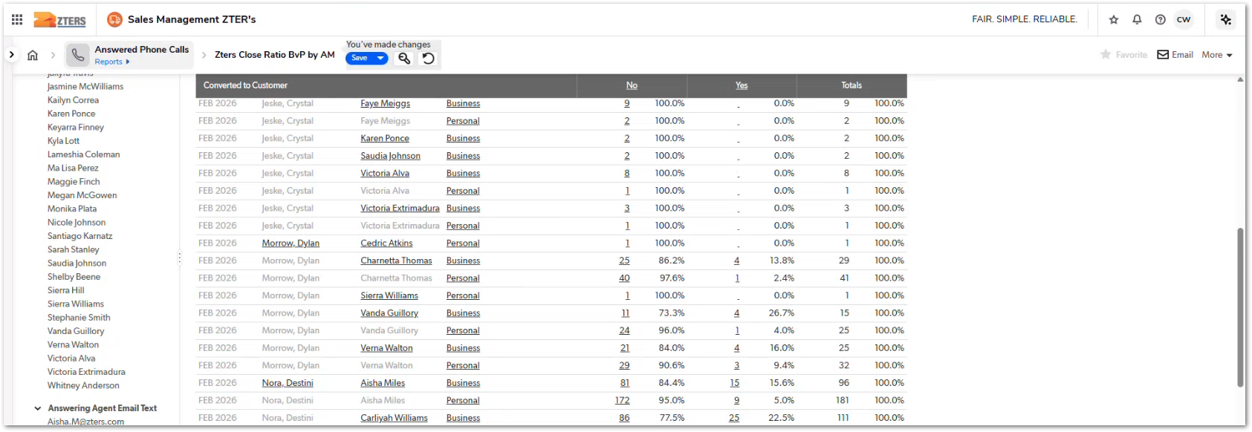 | During the workshop discussion, participants emphasized that the Close Ratio Dashboard is an important performance metric used by Account Managers to monitor their sales conversion rates. | TBD
1. Account Managers can reference customer call information or transcripts associated with a customer record.
2. The system allows AMs to quickly access the Hub pricing tool from the customer workflow.
3. AMs can generate quotes based on information gathered during the customer call.
4. The workflow minimizes the need for manual switching between unrelated systems.
5. Generated quotes can be associated with the relevant customer or opportunity record.
6. The AMs would like to get all the important information from a customer (during a call) in a single page, so they don't have to be switching between so many tabs.
CUBE-D5-018 | Sales Operations | Workflow Integration | Sales Communication and Quoting Workflow | Customer Call and Pricing Workflow | Support Integration Between Customer Call Records and Pricing Tool | As an Account Manager (AM), I want to access customer call information and quickly generate quotes using the pricing tool so that I can efficiently respond to customer inquiries during or after sales calls. | Account Managers often conduct customer calls using communication tools such as Dialpad, where conversations are recorded and transcribed. After discussing service requirements with the customer, the AM must switch to the Hub pricing tool to calculate service quotes. CUBE should support this workflow by allowing AMs to easily transition from customer communication records to the pricing tool, ensuring a smoother process for generating quotes and responding to customer requests. |  | Day 5, Part 1 [2:00:00 – 2:18:00] | NO MOCKUP AVAILABLE | During the workshop demonstration, the Account Manager used Dialpad to conduct and record a customer call and then switched to the Hub pricing tool to generate a quote, illustrating a common sales workflow. | TBD
1. The system allows users to add a new credit card to a customer account.
2. Credit card information is captured through a secure Authorize.Net form or modal interface.
3. Sensitive payment data is not stored directly in CUBE.
4. The system stores a payment token or reference provided by Authorize.Net.
5. The stored payment method can be used for future billing and transactions.
6. The interface clearly indicates that payment information is processed through Authorize.Net.
CUBE
│
├── Customer
├── Billing Preferences
│
└── Authorize.Net Gateway
│
└── Secure Tokenized Card
CUBE-D5-019 | Sales Operations | Payment Processing | Secure Payment Method Management | Credit Card Capture Workflow | Add Credit Card Using Authorize.Net Secure Form | As an Account Manager (AM), I want to securely add a customer's credit card through an Authorize.Net form so that payment information can be stored safely and used for billing. | When adding a new credit card for a customer, the system must use the Authorize.Net payment gateway API to securely capture the payment information. Due to security and compliance requirements, sensitive card information should not be stored directly in CUBE. The system should present a secure modal form or embedded payment interface that allows the user to enter credit card information through Authorize.Net. Once submitted, the payment method token should be stored in CUBE for future billing transactions. |  | Day 5, Part 1 [2:30:30 – 2:33:30] |  | During the discussion, Justin mentioned that adding a credit card requires using the Authorize.Net API and suggested implementing a separate modal or form to securely collect payment information. | TBD
1. CUBE provides a centralized view of key customer information relevant to Account Managers.
2. AMs can access customer details, service information, and billing data without opening multiple browser tabs.
3. The interface presents information in a clear and organized layout.
4. The workflow reduces the need for manual switching between different system views.
5. The system minimizes the risk of data confusion or entry errors caused by multi-tab navigation.
CUBE-D5-020 | Sales Operations | User Experience Improvement | Account Manager Workflow Efficiency | Centralized Customer Information Access | Consolidate Customer Information to Reduce Multi-Tab Workflow | As an Account Manager (AM), I want to access all necessary customer information from a centralized interface so that I do not need to open multiple browser tabs while managing a customer. | Account Managers often need to collect and verify multiple pieces of information when working with customers, including contact details, service history, pricing information, and billing data. Currently, AMs must open several browser tabs to gather this information from different parts of the system. CUBE should provide a more consolidated workflow that allows AMs to view and manage key customer information within a single interface, reducing context switching and minimizing the risk of errors. |  | Day 5, Part 2 [0:07:30 – 0:10:00] | 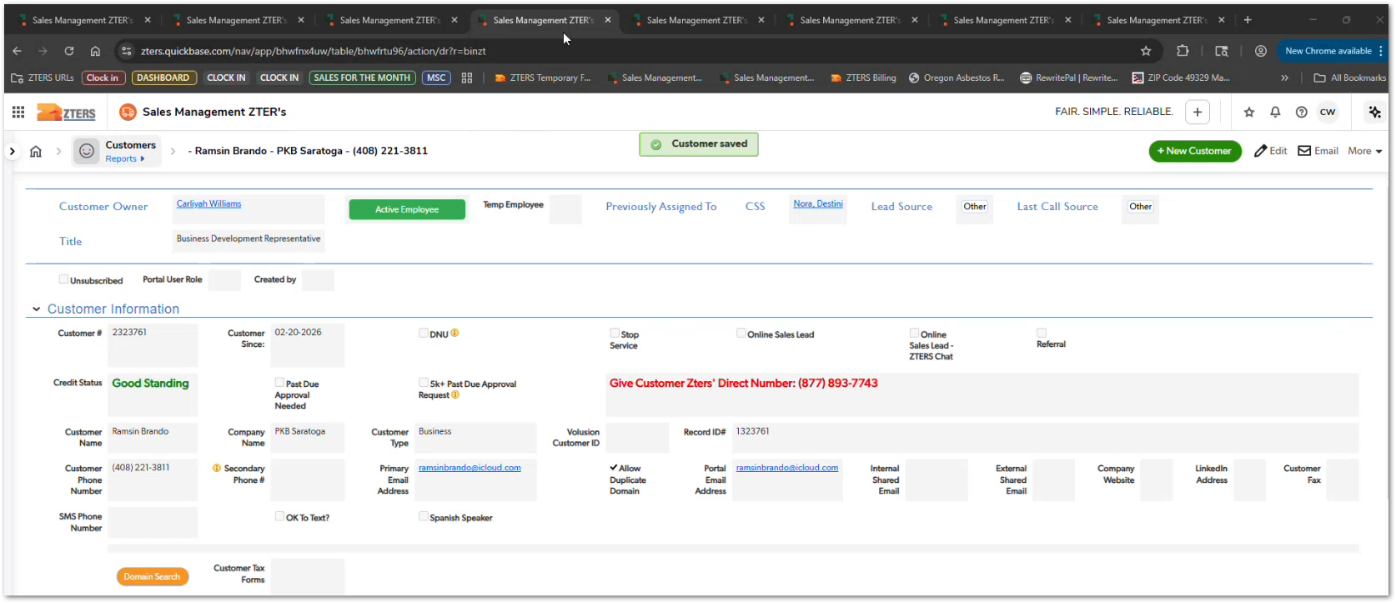 | During the workshop discussion, AMs highlighted that managing multiple open tabs is a major pain point in their workflow and suggested consolidating customer information within CUBE. | TBD

